ErgoCheck Report
 |  |  |  |  | ErgoCheck Risk Report

 | DEMONSTRATION VERSION
 | This report has been generated to inform departmental leadership of the unique and personal challenges a worker has reported when performing the job duty of . Ergonomic hazards associated with contact stress, force, awkward posture and repetition are prioritized based on the level of risk. The worker has been in this occupation for of which has been with the City.

 | A total of 0 hazards have been identified.

 |  | Count of Known Risk - Need Risk Control Plan |  |  |  | 0
 |  | Count of Likely Risk - Consider Interventions |  |  |  | 0
 |  | Count of Possible Risk - Further Evaluation Required |  |  |  | 0

 | Note: It is recommended to address risks in order of their severity.

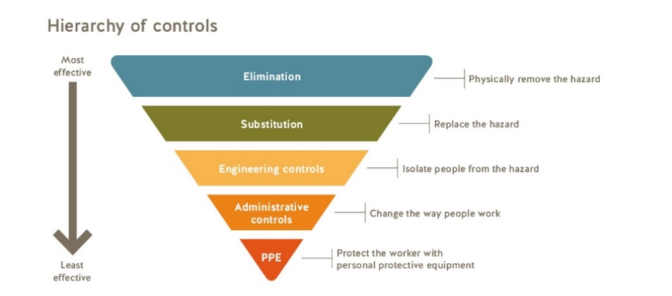
 |  |  |  |  | Risks are reduced using the hierarchy of controls, in priority order - starting with hazard elimination and ending with the use of Personal Protective Equipment to control the residual risk of injury or health impairment. Please reference HR - OHS - SMS P 002 Risk Assessment Program or contact your business unit Safety Specialist for further information.

Source: WorkSafeBC
Version 1.1.21
Report ID 561455-26
City of Vancouver

 |  |  |  |  | Overall Musculoskeletal Risk: Contact Stress

 | OMR (1-4) |  | Notice
 | 0 |  | #N/A

 | Warning - Actions Required |  |  | Warning - Consider Actions |  |  | Further Evaluation Required
 | #ERROR! |  |  | #ERROR!

 | TIP: Determine which tools or edges in the workplace are the cause of contact stress. Remedial actions for contract stress can range from replacement to the reduction of use/contact of the tool/edge.

 |  |  |  |  | Overall Musculoskeletal Risk: Force

 | OMR (1-4) |  | Notice
 | 0 |  | #N/A

 | Warning - Actions Required |  |  | Warning - Consider Actions |  |  | Further Evaluation Required

 | TIP: Determine which tasks in the workplace result in forceful exertions. Interventions for force can range from substitution to lighter items/products to administrative changes to facilitate the use of assistance/mechanical assists.

 |  |  |  |  | Overall Musculoskeletal Risk: Awkward Posture

 | OMR (1-4) |  | Notice
 | 0 |  | #N/A

 | Warning - Actions Required |  |  | Warning - Consider Actions |  |  | Further Evaluation Required

 | TIP: Determine if the workstation layout or some other factors are resulting in awkward postures. Remedial actions for awkward posture can include changes in workstation layout.

 |  |  |  |  | Overall Musculoskeletal Risk: Repetition

 | OMR (1-4) |  | Notice
 | 0 |  | #N/A

 | Warning - Actions Required |  |  | Warning - Consider Actions |  |  | Further Evaluation Required

 | TIP: Determine the job tasks that require frequent movements of long duration. Remedial actions for repitition can include the appropriate use of job rotation and/or changes in requirements of the job.

 |  |  |  |  | Overall Musculoskeletal Risk: Environmental Factors

 | OMR (1-4) |  | Notice
 | 0 |  | #N/A

 | Warning - Actions Required |  |  | Warning - Consider Actions |  |  | Further Evaluation Required

